SC05_Jpetstore_Test Report
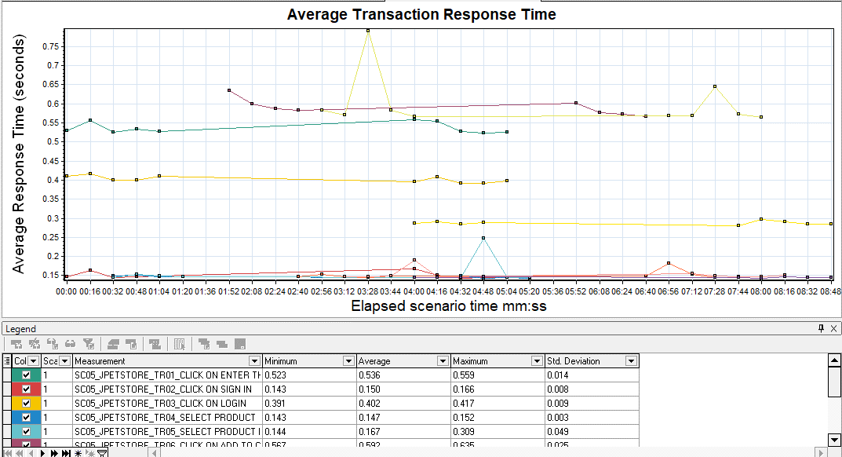
Analysis Summary
Duration: | 8 minutes and 57 seconds.
Period: | 11/09/2023 11:37:14 AM - 11/09/2023 11:37:14 AM (IST)

Statistics Summary

Maximum Running Vusers: | 5
Total Throughput (bytes): | 1,086,019
Average Throughput (bytes/second): | 2,018.62
Total Hits: | 295
Average Hits per Second: | 0.548
Passed Transaction Ratio | 100%

Transaction Summary
Transactions: | Total Passed: | 130 | Total Failed: | 0 | Total Stopped: | 0

Transaction Name | Minimum | Average | Maximum | Std. Deviation | 90 Percent | Pass | Fail | Stop
SC05_JPETSTORE_TR01_CLICK ON ENTER THE STORE | 0.523 | 0.536 | 0.559 | 0.014 | 0.557 | 10 | 0 | 0
SC05_JPETSTORE_TR02_CLICK ON SIGN IN | 0.143 | 0.15 | 0.166 | 0.008 | 0.162 | 10 | 0 | 0
SC05_JPETSTORE_TR03_CLICK ON LOGIN | 0.391 | 0.402 | 0.417 | 0.009 | 0.411 | 10 | 0 | 0
SC05_JPETSTORE_TR04_SELECT PRODUCT | 0.143 | 0.147 | 0.152 | 0.003 | 0.151 | 10 | 0 | 0
SC05_JPETSTORE_TR05_SELECT PRODUCT ID | 0.144 | 0.167 | 0.309 | 0.049 | 0.187 | 10 | 0 | 0
SC05_JPETSTORE_TR06_CLICK ON ADD TO CART | 0.567 | 0.592 | 0.635 | 0.025 | 0.635 | 10 | 0 | 0
SC05_JPETSTORE_TR07_CLICK ON PROCEED TO CHECKOUT | 0.144 | 0.151 | 0.182 | 0.011 | 0.154 | 10 | 0 | 0
SC05_JPETSTORE_TR08_CLICK ON CONTINUE | 0.564 | 0.601 | 0.791 | 0.067 | 0.645 | 10 | 0 | 0
SC05_JPETSTORE_TR09_CLICK ON CONFIRM | 0.146 | 0.153 | 0.191 | 0.013 | 0.155 | 10 | 0 | 0
SC05_JPETSTORE_TR10_CLICK ON RETRURN TO MAIN MENU | 0.143 | 0.145 | 0.147 | 0.001 | 0.146 | 10 | 0 | 0
SC05_JPETSTORE_TR11_CLICK ON SIGN OUT | 0.28 | 0.288 | 0.297 | 0.005 | 0.291 | 10 | 0 | 0

HTTP Responses Summary

HTTP Responses | Total | Per second
HTTP_200 | 275 | 0.511
HTTP_302 | 20 | 0.037

Hits Per Second Graph

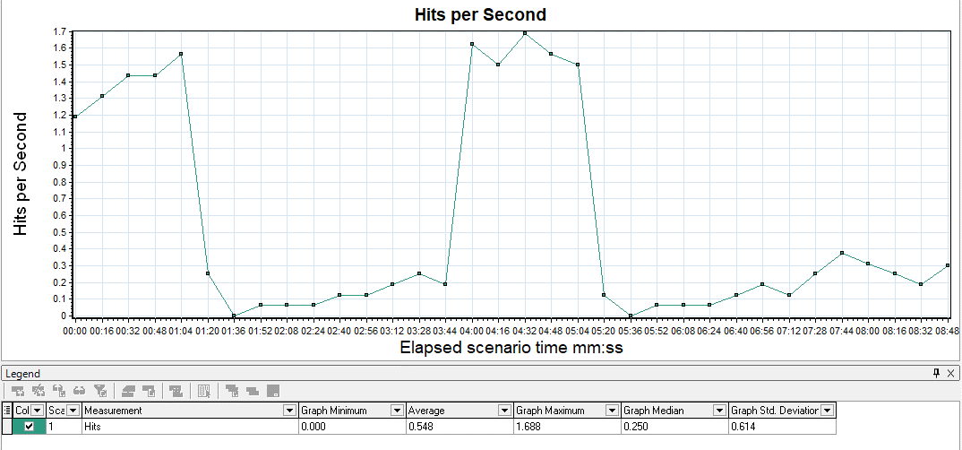

Throughput Graph

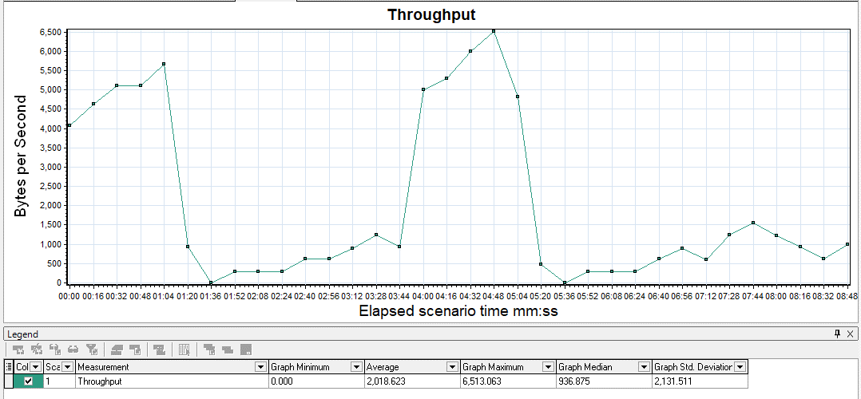

Running Vusers - Avg. Transaction Response Time Graph

